Packing List
Photo | Brand | Gender | Macrocategory | Subcategory | Loc | Season | EAN | SKU | Article name | Colour | SIZE | Made In | Material Composition | Qty | Whs | RRP | TOT WHL
 | Calvin Klein | Men | Accessories | Ties | 400.00 | Spring/Summer | 8719115494285 | K10K103210-411-5 | Tie | Blue | 5 |  |  | 1 | 20.80 | 49.90 | 20.80
 | Calvin Klein | Men | Accessories | Ties | 400.00 | Spring/Summer | 8719851380842 | K10K104161-263-6.4 | Tie | Beige | 6.4 |  |  | 2 | 20.80 | 49.90 | 41.60
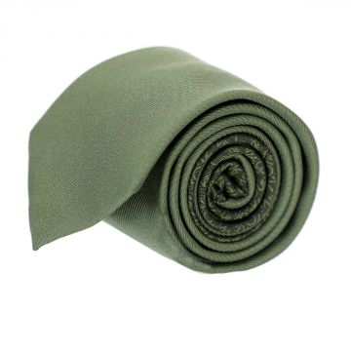 | Calvin Klein | Men | Accessories | Ties | 400.00 | Carry Over | 8719852119519 | K10K104161-LDB-6.4 | Tie | Green | 6.4 | China | 100% Silk | 46 | 16.65 | 39.90 | 765.90
 | Calvin Klein | Men | Accessories | Ties | 400.00 | Fall/Winter | 8719851379235 | K10K104162-411-6.4 | Tie | Blue | 6.4 |  |  | 3 | 20.80 | 49.90 | 62.40
 | Calvin Klein | Men | Accessories | Ties | 400.00 | Fall/Winter | 8719851373769 | K10K104162-455-6.4 | Tie | Blue | 6.4 |  |  | 3 | 20.80 | 49.90 | 62.40
 | Calvin Klein | Men | Accessories | Ties | 400.00 | Spring/Summer | 8719851378061 | K10K104162-500-6.4 | Tie | Purple | 6.4 |  |  | 3 | 29.15 | 69.90 | 87.45
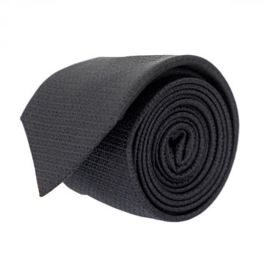 | Calvin Klein | Men | Accessories | Ties | 400.00 | Carry Over | 8719851369755 | K10K104163-001-6.4 | Tie | Black | 6.4 | China | 100% Silk | 5 | 16.65 | 39.90 | 83.25
 | Calvin Klein | Men | Accessories | Ties | 400.00 | Fall/Winter | 8719851375763 | K10K104163-411-6.4 | Tie | Blue | 6.4 |  |  | 3 | 16.65 | 39.90 | 49.95
 | Calvin Klein | Men | Accessories | Ties | 400.00 | Fall/Winter | 8719851364927 | K10K104164-020-6.4 | Tie | Grey | 6.4 |  |  | 2 | 16.65 | 39.90 | 33.30
 | Calvin Klein | Men | Accessories | Ties | 400.00 | Fall/Winter | 8719851370447 | K10K104164-455-6.4 | Tie | Blue | 6.4 |  |  | 1 | 16.65 | 39.90 | 16.65
 | Calvin Klein | Men | Accessories | Ties | 400.00 | Spring/Summer | 8719851369298 | K10K104166-460-6.4 | Tie | Blue | 6.4 |  |  | 1 | 20.80 | 49.90 | 20.80
 | Calvin Klein | Men | Accessories | Ties | 400.00 | Fall/Winter | 8719851370652 | K10K104166-515-6.4 | Tie | Purple | 6.4 |  |  | 1 | 16.65 | 39.90 | 16.65
 | Calvin Klein | Men | Accessories | Ties | 400.00 | Spring/Summer | 8719851372656 | K10K104167-437-6.4 | Tie | Blue | 6.4 |  |  | 1 | 20.80 | 49.90 | 20.80
 | Calvin Klein | Men | Accessories | Ties | 400.00 | Spring/Summer | 8719851365344 | K10K104170-001-6.4 | Tie | Black | 6.4 |  |  | 6 | 20.80 | 49.90 | 124.80
 | Calvin Klein | Men | Accessories | Ties | 400.00 | Fall/Winter | 8719851375855 | K10K104170-411-6.4 | Tie | Blue | 6.4 |  |  | 1 | 16.65 | 39.90 | 16.65
 | Calvin Klein | Men | Accessories | Ties | 400.00 | Spring/Summer | 8719851367836 | K10K104170-455-6.4 | Tie | Blue | 6.4 |  |  | 2 | 20.80 | 49.90 | 41.60
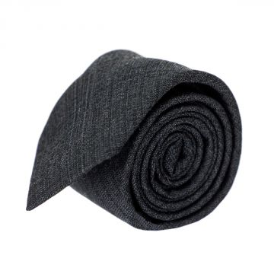 | Calvin Klein | Men | Accessories | Ties | 400.00 | Carry Over | 8719851377118 | K10K104172-015-6.4 | Tie | Grey | 6.4 | China | 60% Silk 40% Viscose | 11 | 20.80 | 49.90 | 228.80
 | Calvin Klein | Men | Accessories | Ties | 400.00 | Spring/Summer | 8719851378627 | K10K104172-480-6.4 | Tie | Blue | 6.4 |  |  | 8 | 20.80 | 49.90 | 166.40
 | Calvin Klein | Men | Accessories | Ties | 400.00 | Spring/Summer | 8719851372588 | K10K104173-411-6.4 | Tie | Blue | 6.4 |  |  | 2 | 20.80 | 49.90 | 41.60
 | Calvin Klein | Men | Accessories | Ties | 400.00 | Spring/Summer | 8719851365771 | K10K104173-605-6.4 | Tie | Red | 6.4 |  |  | 3 | 20.80 | 49.90 | 62.40
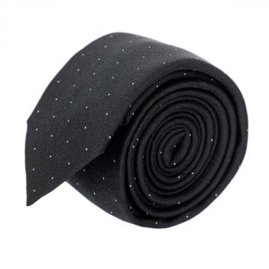 | Calvin Klein | Men | Accessories | Ties | 400.00 | Carry Over | 8719851365757 | K10K104175-001-6.4 | Tie | Black | 6.4 | China | 100% Silk | 23 | 16.65 | 39.90 | 382.95
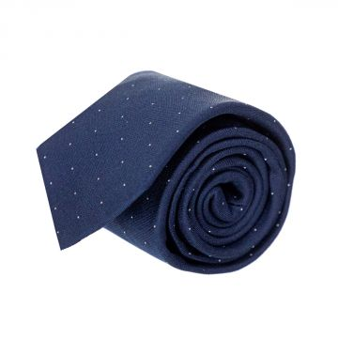 | Calvin Klein | Men | Accessories | Ties | 400.00 | Carry Over | 8719851373448 | K10K104175-411-6.4 | Tie | Navy | 6.4 | China | 100% Silk | 6 | 16.65 | 39.90 | 99.90
 | Calvin Klein | Men | Accessories | Ties | 400.00 | Spring/Summer | 8719851375602 | K10K104178-460-6.4 | Tie | Blue | 6.4 |  |  | 2 | 20.80 | 49.90 | 41.60
 | Calvin Klein | Men | Accessories | Ties | 400.00 | Spring/Summer | 8719851366242 | K10K104181-040-6.4 | Tie | SIlver | 6.4 |  |  | 2 | 29.15 | 69.90 | 58.30
 | Calvin Klein | Men | Accessories | Ties | 400.00 | Spring/Summer | 8719851379716 | K10K104181-400-6.4 | Tie | Blue | 6.4 |  |  | 1 | 29.15 | 69.90 | 29.15
 | Calvin Klein | Men | Accessories | Ties | 400.00 | Spring/Summer | 8719851375411 | K10K104182-040-6.4 | Tie | SIlver | 6.4 |  |  | 2 | 29.15 | 69.90 | 58.30
 | Calvin Klein | Men | Accessories | Ties | 400.00 | Spring/Summer | 8719851376760 | K10K104182-411-6.4 | Tie | Blue | 6.4 |  |  | 2 | 29.15 | 69.90 | 58.30
 | Calvin Klein | Men | Accessories | Ties | 400.00 | Spring/Summer | 8719851366815 | K10K104183-001-6.4 | Tie | Black | 6.4 |  |  | 3 | 20.80 | 49.90 | 62.40
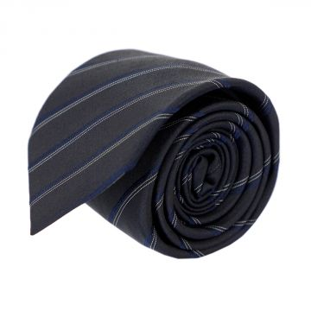 | Calvin Klein | Men | Accessories | Ties | 400.00 | Carry Over | 8719851378825 | K10K104185-015-6.4 | Tie | Grey | 6.4 | China | 100% Silk | 7 | 20.80 | 49.90 | 145.60
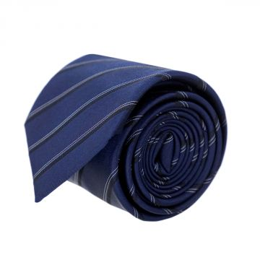 | Calvin Klein | Men | Accessories | Ties | 400.00 | Carry Over | 8719851372663 | K10K104185-411-6.4 | Tie | Blue | 6.4 | China | 100% Silk | 3 | 16.65 | 39.90 | 49.95
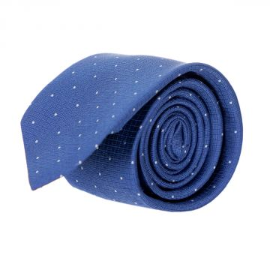 | Calvin Klein | Men | Accessories | Ties | 400.00 | Carry Over | 8719852126432 | K10K105055-0G0-6.4 | Tie | Blue | 6.4 | China | 100% Silk | 6 | 20.80 | 49.90 | 124.80
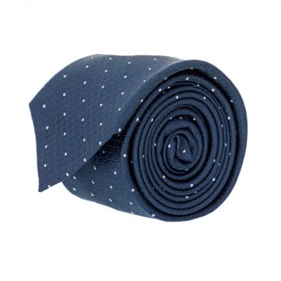 | Calvin Klein | Men | Accessories | Ties | 400.00 | Carry Over | 8719852130699 | K10K105055-0G2-6.4 | Tie | Navy | 6.4 | China | 100% Silk | 33 | 20.80 | 49.90 | 686.40
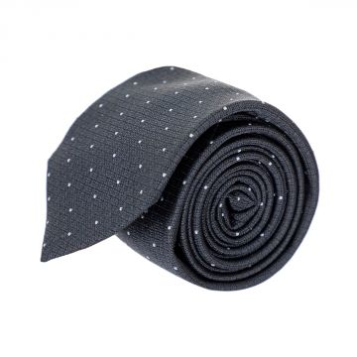 | Calvin Klein | Men | Accessories | Ties | 400.00 | Fall/Winter | 8719852129952 | K10K105055-0GN-6.4 | Tie | Black | 6.4 | China | 100% Silk | 8 | 20.80 | 49.90 | 166.40
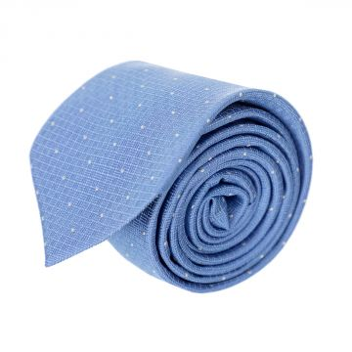 | Calvin Klein | Men | Accessories | Ties | 400.00 | Fall/Winter | 8719852129723 | K10K105055-0GY-6.4 | Tie | Blue | 6.4 |  |  | 63 | 20.80 | 39.89 | 1310.40
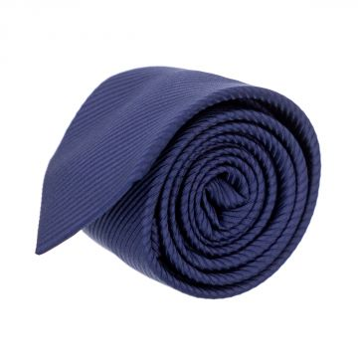 | Calvin Klein | Men | Accessories | Ties | 400.00 | Carry Over | 8719852131276 | K10K105059-0G2-6.4 | Tie | Navy | 6.4 | China | 50% Co 50% Se | 3 | 16.65 | 39.90 | 49.95
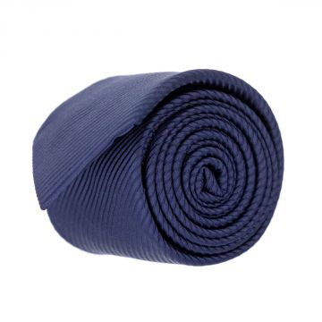 | Calvin Klein | Men | Accessories | Ties | 400.00 | Carry Over | 8719852122465 | K10K105061-0G2-6.4 | Tie | Navy | 6.4 | China | 50% Co 50% Se | 4 | 16.65 | 39.90 | 66.60
 | Calvin Klein | Men | Accessories | Ties | 400.00 | Carry Over | 8719852125701 | K10K105061-0IM-6.4 | Tie | Grey | 6.4 | China | 100% Silk | 8 | 16.65 | 39.90 | 133.20
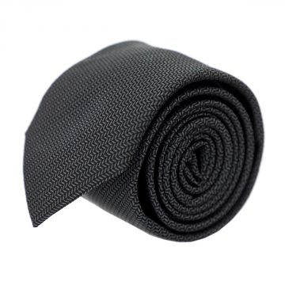 | Calvin Klein | Men | Accessories | Ties | 400.00 | Carry Over | 8719852122335 | K10K105067-0GN-6.4 | Tie | Black | 6.4 | China | 100% Silk | 22 | 20.80 | 49.90 | 457.60
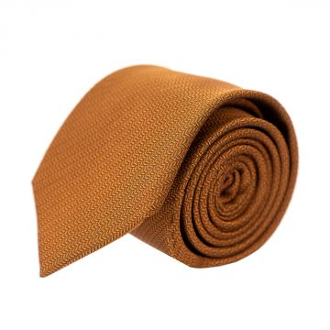 | Calvin Klein | Men | Accessories | Ties | 400.00 | Carry Over | 8719852123837 | K10K105067-XN2-6.4 | Tie | Orange | 6.4 | China | 100% Silk | 13 | 20.80 | 49.90 | 270.40
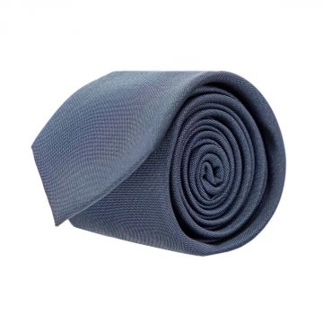 | Calvin Klein | Men | Accessories | Ties | 400.00 | Carry Over | 8719852124643 | K10K105068-0G2-6.4 | Tie | Navy | 6.4 | China | 53% Poly 47% Se | 9 | 16.65 | 39.90 | 149.85
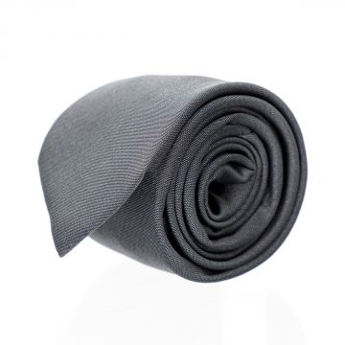 | Calvin Klein | Men | Accessories | Ties | 400.00 | Carry Over | 8719852124971 | K10K105068-0GN-6.4 | Tie | Black | 6.4 | China | 54% Poly 46% Se | 8 | 16.65 | 39.90 | 133.20
 | Calvin Klein | Men | Accessories | Ties | 400.00 | Spring/Summer | 8719852093604 | K10K105079-0G2-6.4 | Tie | Blue | 6.4 |  |  | 1 | 20.80 | 49.90 | 20.80
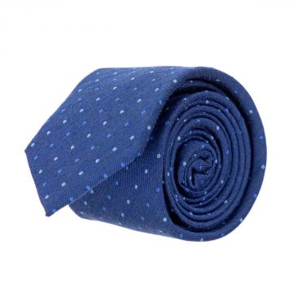 | Calvin Klein | Men | Accessories | Ties | 400.00 | Carry Over | 8719852291284 | K10K105348-0G0-6.4 | Tie | Blue | 6.4 | China | 60% Silk 40% Viscose | 6 | 20.80 | 49.90 | 124.80
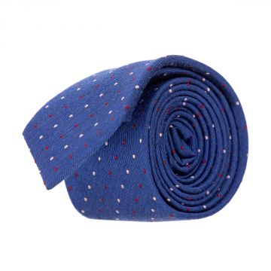 | Calvin Klein | Men | Accessories | Ties | 400.00 | Carry Over | 8719852292373 | K10K105348-XK5-6.4 | Tie | Blue | 6.4 | China | 60% Silk 40% Viscose | 7 | 20.80 | 49.90 | 145.60
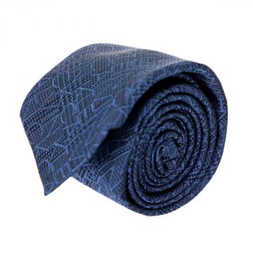 | Calvin Klein | Men | Accessories | Ties | 400.00 | Spring/Summer | 8719852292304 | K10K105350-0G2-6.4 | Tie | Blue | 6.4 |  |  | 6 | 16.65 | 39.90 | 99.90
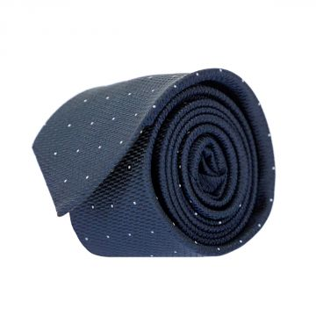 | Calvin Klein | Men | Accessories | Ties | 400.00 | Carry Over | 8719852292618 | K10K105351-0G2-6.4 | Tie | Navy | 6.4 | China | 100% Silk | 12 | 20.80 | 49.90 | 249.60
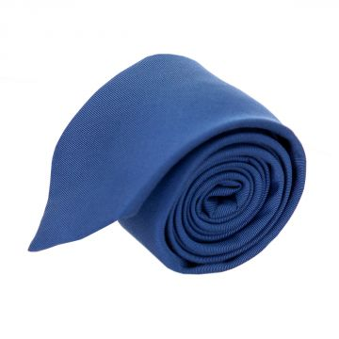 | Calvin Klein | Men | Accessories | Ties | 400.00 | Spring/Summer | 8719852292182 | K10K105361-0G0-6.4 | Tie | Blue | 6.4 | China | 72% Co 26% Se | 7 | 16.65 | 39.90 | 116.55
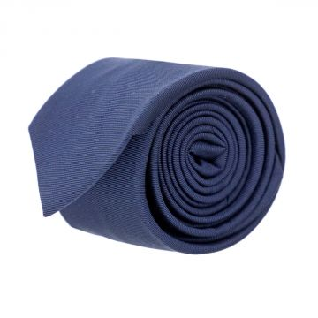 | Calvin Klein | Men | Accessories | Ties | 400.00 | Carry Over | 8719852292694 | K10K105361-0G2-6.4 | Tie | Navy | 6.4 | China | 50% Co 50% Se | 11 | 16.65 | 39.90 | 183.15
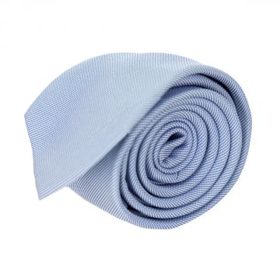 | Calvin Klein | Men | Accessories | Ties | 400.00 | Spring/Summer | 8719852292236 | K10K105362-0GY-6.4 | Tie | Light Blue | 6.4 | China | 74% Se 26% Poly | 2 | 20.80 | 49.90 | 41.60
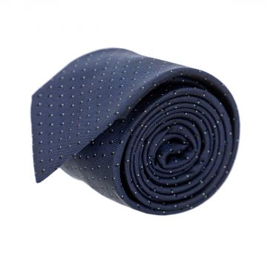 | Calvin Klein | Men | Accessories | Ties | 400.00 | Carry Over | 8719852292663 | K10K105366-0G2-6.4 | Tie | Navy | 6.4 | China | 100% Silk | 10 | 16.65 | 39.90 | 166.50
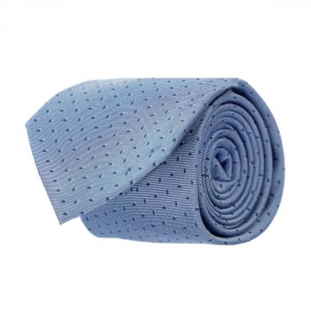 | Calvin Klein | Men | Accessories | Ties | 400.00 | Spring/Summer | 8719852292045 | K10K105366-0GY-6.4 | Tie | Light Blue | 6.4 | China | 100% Silk | 8 | 16.65 | 39.90 | 133.20
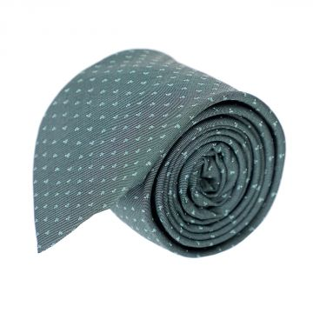 | Calvin Klein | Men | Accessories | Ties | 400.00 | Carry Over | 8719852292458 | K10K105366-0IE-6.4 | Tie | Green | 6.4 | China | 100% Silk | 10 | 16.65 | 39.90 | 166.50
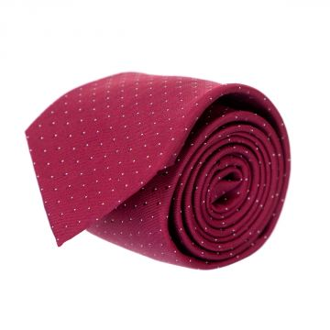 | Calvin Klein | Men | Accessories | Ties | 400.00 | Carry Over | 8719852292397 | K10K105366-XK5-6.4 | Tie | Red | 6.4 | China | 100% Silk | 5 | 16.65 | 39.90 | 83.25
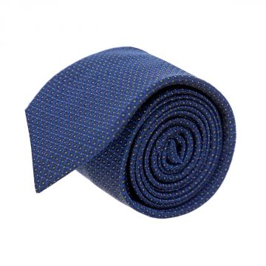 | Calvin Klein | Men | Accessories | Ties | 400.00 | Carry Over | 8719852292755 | K10K105367-0G0-6.4 | Tie | Blue | 6.4 | China | 100% Silk | 7 | 20.80 | 49.90 | 145.60
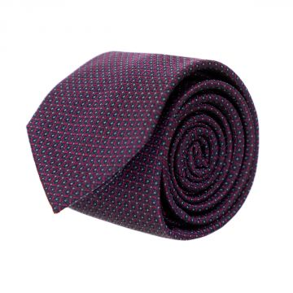 | Calvin Klein | Men | Accessories | Ties | 400.00 | Carry Over | 8719852292281 | K10K105367-XK5-6.4 | Tie | Red | 6.4 | China | 100% Silk | 7 | 20.80 | 49.90 | 145.60
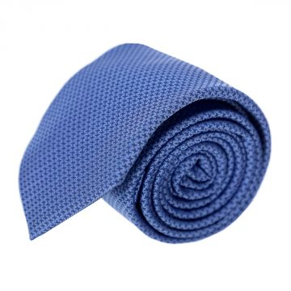 | Calvin Klein | Men | Accessories | Ties | 400.00 | Carry Over | 8719852291246 | K10K105369-0G0-6.4 | Tie | Blue | 6.4 | China | 100% Silk | 5 | 20.80 | 49.90 | 104.00
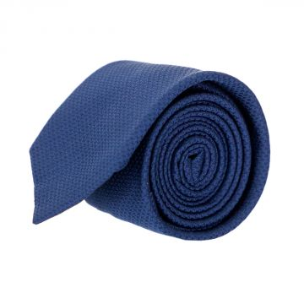 | Calvin Klein | Men | Accessories | Ties | 400.00 | Spring/Summer | 8719852292656 | K10K105369-0G2-6.4 | Tie | Blue | 6.4 | China | 100% Silk | 6 | 20.80 | 49.90 | 124.80
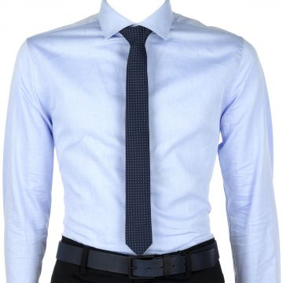 | Calvin Klein | Men | Accessories | Ties | 347.00 | Spring/Summer | 8719114168620 | K30K301098-411-OS | Men Tie Connect Four | Blue | One Size | China | 100% Silk | 106 | 16.95 | 40.68 | 1796.70
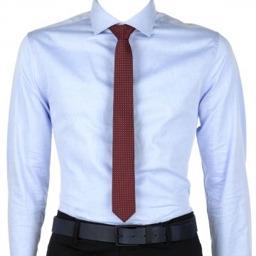 | Calvin Klein | Men | Accessories | Ties | 347.00 | Spring/Summer | 8719114169894 | K30K301098-600-OS | Men Tie Connect Four | Red | One Size | China | 100% Silk | 158 | 16.95 | 40.68 | 2678.10
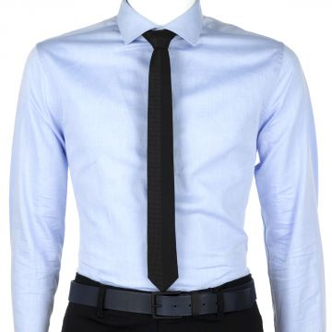 | Calvin Klein | Men | Accessories | Ties | 347.00 | Spring/Summer | 8719114167678 | K30K301117-001-OS | Men Tie Pindot Panel | Black | One Size | China | 100% Silk | 152 | 16.95 | 40.68 | 2576.40
 | Calvin Klein | Men | Accessories | Ties | 400.00 | Fall/Winter | 8719113723165 | K30K301230-204-6.4 | Tie | Brown | 6.4 |  |  | 2 | 16.65 | 39.90 | 33.30
 | Calvin Klein | Men | Accessories | Ties | 400.00 | Fall/Winter | 8719113723196 | K30K301262-001-6.4 | Tie | Black | 6.4 |  |  | 1 | 16.65 | 39.90 | 16.65
 | Calvin Klein | Men | Accessories | Ties | 347.00 | Fall/Winter | 8719113719823 | K30K301262-411-OS | Men Tie Bi Sect Dot Tie | Blue | One Size |  |  | 1 | 16.95 | 40.68 | 16.95
 | Calvin Klein | Men | Accessories | Ties | 400.00 | Fall/Winter | 8719113722908 | K30K301268-060-6.4 | Tie | Grey | 6.4 |  |  | 1 | 16.65 | 39.90 | 16.65
 | Calvin Klein | Men | Accessories | Ties | 400.00 | Fall/Winter | 8719113720744 | K30K301268-480-6.4 | Tie | Blue | 6.4 |  |  | 1 | 16.65 | 39.90 | 16.65
 | Calvin Klein | Men | Accessories | Ties | 400.00 | Fall/Winter | 8719113720560 | K30K301269-500-6.4 | Tie | Purple | 6.4 |  |  | 2 | 16.65 | 39.90 | 33.30
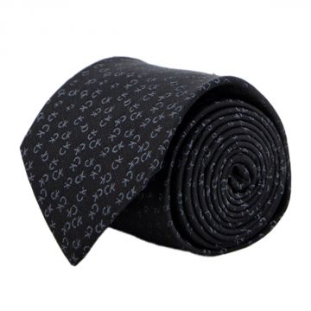 | Calvin Klein | Men | Accessories | Ties | 400.00 | Fall/Winter | 8719113722526 | K30K301280-001-6.4 | Tie | Black | 6.4 |  |  | 3 | 20.80 | 49.90 | 62.40
 | Calvin Klein | Men | Accessories | Ties | 400.00 | Fall/Winter | 8719113722175 | K30K301280-411-6.4 | Tie | Blue | 6.4 |  |  | 2 | 20.80 | 49.90 | 41.60
 | Calvin Klein | Men | Accessories | Ties | 400.00 | Fall/Winter | 8719113721314 | K30K301283-411-5 | Tie | Blue | 5 |  |  | 1 | 16.65 | 39.90 | 16.65
 | Calvin Klein | Men | Accessories | Ties | 400.00 | Fall/Winter | 8719113722939 | K30K301291-001-6.4 | Tie | Black | 6.4 |  |  | 1 | 16.65 | 39.90 | 16.65
 | Calvin Klein | Men | Accessories | Ties | 347.00 | Fall/Winter | 8719113719489 | K30K301316-001-OS | Men Tie Logo Tail | Black | One Size |  |  | 2 | 16.95 | 40.68 | 33.90
 | Calvin Klein | Men | Accessories | Ties | 400.00 | Fall/Winter | 8719113721178 | K30K301317-600-6.4 | Tie | Red | 6.4 |  |  | 1 | 16.65 | 39.90 | 16.65
 | Calvin Klein | Men | Accessories | Ties | 400.00 | Fall/Winter | 8719113963202 | K30K301439-060-6.4 | Tie | Grey | 6.4 |  |  | 1 | 16.65 | 39.90 | 16.65

 |  |  |  |  |  |  |  |  |  |  |  |  |  | 878 |  |  | 15,940.10

